Sheet1
Row Labels | Average of Production (GWh)
2006 | 46760.121069
Grand Total | 46760.121069

 |  |  |  | Row Labels | Average of Energy Exports | Average of Energy Imports
 |  |  |  | Australia | 50275.037678 | 38932.818889
 |  |  |  | Brazil | 63916.208921 | 42987.74526
 |  |  |  | Canada | 48943.800989 | 49097.247698
 |  |  |  | China | 54987.590829 | 52071.355405
 |  |  |  | France | 52485.69042 | 43860.68556
 |  |  |  | Germany | 58668.562618 | 59778.538193
 |  |  |  | India | 64351.390929 | 46169.398828
 |  |  |  | Japan | 53159.251883 | 37657.609434
 |  |  |  | Russia | 44109.529533 | 53795.286711
 |  |  |  | USA | 50845.889152 | 49697.348824
 |  |  |  | Grand Total | 53914.454878 | 48202.721368

 |  |  |  |  | Row Labels | Average of Production (GWh) | Average of Installed Capacity (MW)
 |  |  |  |  | Australia | 53535.633855 | 28662.747051
 |  |  |  |  | Brazil | 49402.012682 | 20631.115939
 |  |  |  |  | Canada | 49628.218965 | 27785.575953
 |  |  |  |  | China | 56896.582296 | 30688.680573
 |  |  |  |  | France | 51547.692144 | 32840.634965
 |  |  |  |  | Germany | 49592.314562 | 24571.773141
 |  |  |  |  | India | 30997.561816 | 26524.733599
 |  |  |  |  | Japan | 38990.18956 | 28795.752432
 |  | Row Labels | Average of Energy Consumption |  | Russia | 39048.108821 | 16205.665442
 |  | Australia | 401612.41572 |  | USA | 50997.000913 | 23806.220473
 |  | Brazil | 437789.58351 |  | Grand Total | 46760.121069 | 25872.753835
 |  | Canada | 433877.25647
 |  | China | 481871.71393
 |  | France | 529197.04891
 |  | Germany | 434452.24891
 |  | India | 521715.12774
 |  | Japan | 578178.91712
 |  | Russia | 475052.05301
 |  | USA | 396897.29158
 |  | Grand Total | 470013.71982

Sheet2
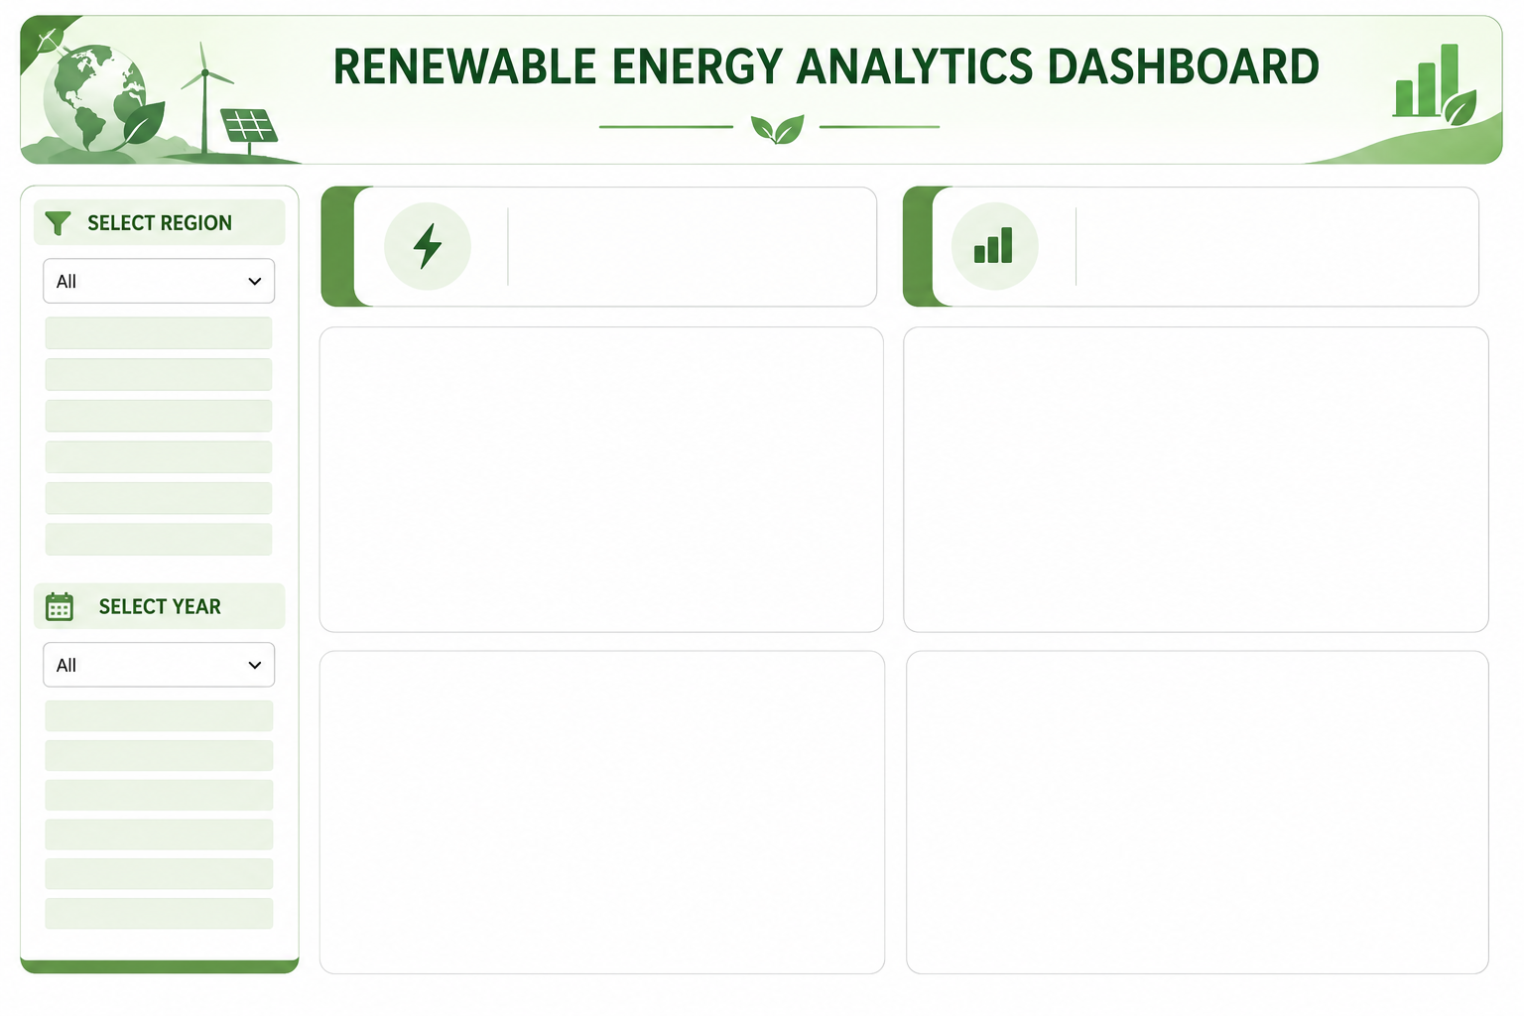

Average of Population
Average of Installed Capacity (MW)
SELECT COUNTRY
724517381.1
25872.75384

Energy Imports vs. Energy Exports by Country
 | Average of Energy Exports | Average of Energy Imports
Australia | 50275.037678 | 38932.818889
Brazil | 63916.208921 | 42987.74526
Canada | 48943.800989 | 49097.247698
China | 54987.590829 | 52071.355405
France | 52485.69042 | 43860.68556
Germany | 58668.562618 | 59778.538193
India | 64351.390929 | 46169.398828
Japan | 53159.251883 | 37657.609434
Russia | 44109.529533 | 53795.286711
USA | 50845.889152 | 49697.348824
Installed Capacity vs. Energy Production by Country
 | Average of Production (GWh) | Average of Installed Capacity (MW)
Australia | 53535.633855 | 28662.747051
Brazil | 49402.012682 | 20631.115939
Canada | 49628.218965 | 27785.575953
China | 56896.582296 | 30688.680573
France | 51547.692144 | 32840.634965
Germany | 49592.314562 | 24571.773141
India | 30997.561816 | 26524.733599
Japan | 38990.18956 | 28795.752432
Russia | 39048.108821 | 16205.665442
USA | 50997.000913 | 23806.220473

Energy Production Trend Over Time
 | Total
2006 | 46760.121069
Average Energy Consumption by Country
 | Total
Australia | 401612.41572
Brazil | 437789.58351
Canada | 433877.25647
China | 481871.71393
France | 529197.04891
Germany | 434452.24891
India | 521715.12774
Japan | 578178.91712
Russia | 475052.05301
USA | 396897.29158

